Sample Roadmap
 | CDR 007A, First Submission Weld Roadmap (Ballooned Drawing must be attached)
 | PO#: | 337848 |  | Rev. | 13 |  |  |  |  | Inspector : | John Smith
 | PO Part #: | 4354366 |  | Rev. | A |  |  |  |  | Credentials: | CWI
 | Part Name: | Bracket |  |  |  |  |  |  |  | Date: | 01/01/20XX

 |  |  |  |  |  |  |  |  |  | Note: All boxes must be filled in; NA is an acceptable input

Bubble # | Welded Part #'s: |  | Weld requirement (Ex: .25" fillet 2 places) |  | Drawing page # | Zone | Actual Weld Size | Result |  |  | Notes | VIR#
 | Part 1 | Part 2 |  |  |  |  |  | Pass | Fail | Defect Type
1 | 4354366-2 | 4354366-3 |  |  | 1 | 4F | .12" | Pass | X | Incomplete Fusion | Inspected after rework; acceptable Action taken to correct the process: ? | NA
2 |  | 4354366-3 |  |  | 1 | 4F | .12" | Pass | X | Porosity | Inspected after rework; acceptable Action taken to correct the process: ? | NA
3 |  | 4354366-3 |  |  | 1 | 4F | .12" | X |  | NA |  | NA
4 |  | 4354366-3 |  |  | 1 | 4F | .12" | X |  | NA |  | NA
5 |  | 4354366-1 |  |  | 1 | 4D | .19" | X |  | NA |  | NA
This tab can be deleted...
Reference Only
6 |  | 4354366-1 |  |  | 1 | 4D | .19" | X |  | NA |  | NA
7 |  | 4354366-1 |  |  | 1 | 6C | .03 | X |  | NA |  | NA
8 |  | 4354366-1 |  |  | 1 | 3D | .19" | X |  | NA |  | NA
9 |  | 4354366-1 |  |  | 1 | 3D | .19" | X |  | NA |  | NA
10 |  | 4354366-1 |  |  | 1 | 3C | .19" | X |  | NA |  | NA
11 |  | 4354366-1 |  |  | 1 | 3C | .19" | Pass |  | NA |  | NA
12 |  | 4354366-1 |  |  | 1 | 3C | .19" | Pass |  | NA |  | NA
13 |  | 4354366-1 |  |  | 1 | 3C | .19" | Pass |  | NA |  | NA
14 |  | 4354366-1 |  |  | 1 | 3B | .19" | Pass |  | NA |  | NA
EXAMPLE - GROOVE WELD |  |  |  |  | XYZ | 3B | 3mm | Pass |  | NA |  | NA
EXAMPLE - INTERMITTENT FILLET WELD |  |  |  |  | WXYZ | 4D | Length= 50; Pitch= 190 | X |  | NA |  | NA

 | CERTIFIED WELD INSPECTION
 | Inspector Certification (circle one): |  |  | CWI | CWB | Code Approved Inspector |  | Date:
 | CWI / CWB Certification Number: |  |  |  |  |  |  | Quantity:
 | Notes and Observations :

Sample Bubble Print
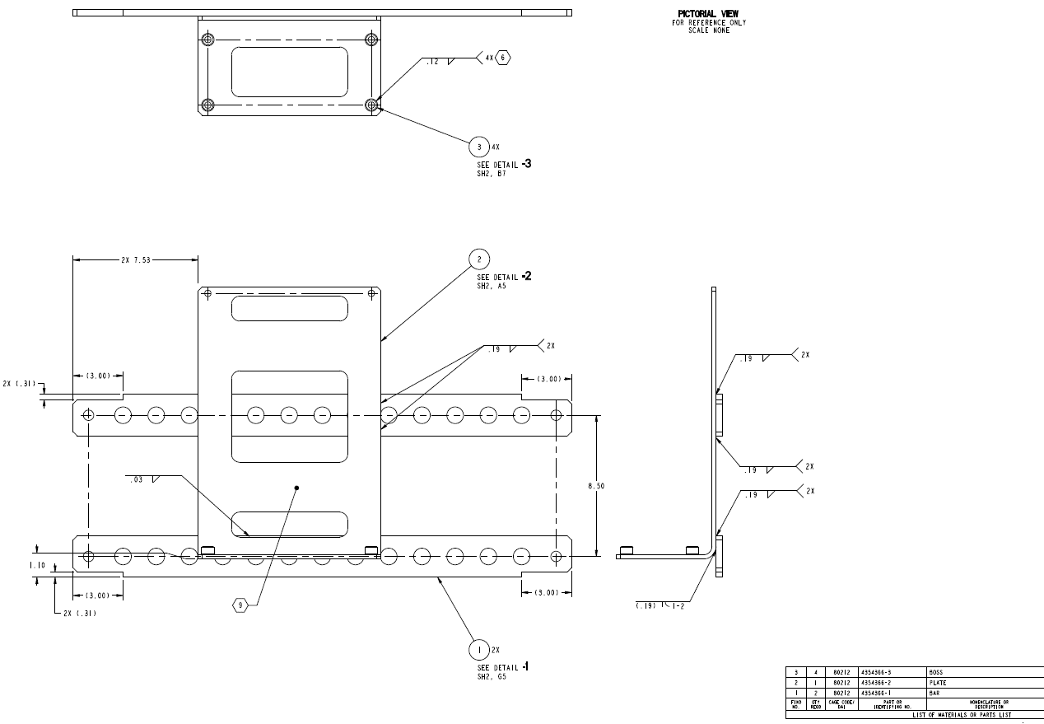

1
2
3
4

This tab can be deleted...
replace with roadmap bubble dwg

5
6
8
9

7
10
11

12
13

14

